Content Eurobarometer (7600)
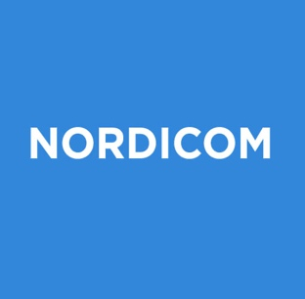 The Standard Eurobarometer survey: Data on media usage in the EU, 2023
Table | Name of the table
Table 1 | Media usage in the EU, 2023
Table 2 | Media usage in the EU, 2023 (ranked by share)
About the source: The data presented in this document are derived from Standard Eurobarometer surveys. Commissioned by the European Commission, the Standard Eurobarometer survey is conducted in all EU countries (plus candidate countries) twice a year, serving the EU institutions with knowledge about EU citizens' main concerns and opinions on a wide range of topics. Every second edition (normally the autumn edition) of the Standard Eurobarometer includes questions on EU citizens' media usage as well as trust in media and other institutions. The Nordic countries included in these tables are the EU member states Denmark, Finland and Sweden.
Read more: The European Commission: Eurobarometer Surveys
End of worksheet

